window_size
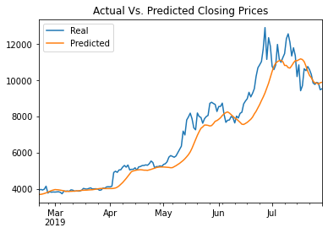
LSTM Stock Predictor Using Fear and Greed Index |  |  |  |  |  | Using Fear & Greed Index | Using Closing Prices Only

 | window_size | 1 | 5 | 7 | 10 | window = 1 | window = 1
 | Loss | 0.1231 | 0.0698 | 0.0681 | 0.0648

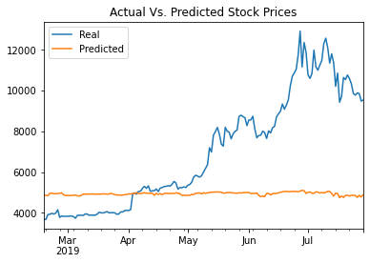
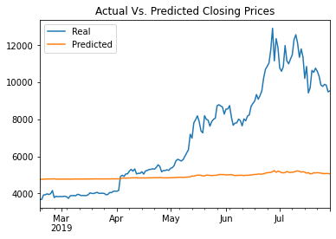
 | initial_units |  |  | 30 | 50
 | Loss |  |  | 0.0648 | 0.0705

LSTM Stock Predictor Using Closing Prices

 | window_size | 1 | 5 | 7 | 10
 | Loss | 0.1171 | 0.0265 | 0.0169 | 0.0074

 | initial_units |  |  | 30 | 50
 | Loss |  |  | 0.0074 | 0.0082

 |  |  |  |  |  | window = 5 | window = 5

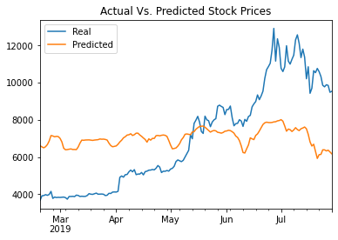
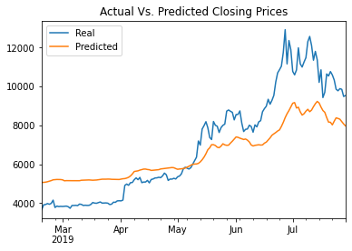
Which model has a lower loss?
When changing window size and initial units size, the LSTM model using only Closing Prices has lower losses than the model using Closing Prices + FNG Index as reflected by the comparisons in the above tables.

> Which model tracks the actual values better over time?
With respect to tracking values better over time, it is also the
LSTM model using only closing prices without the FNG Index,
as reflected in the charts on the right handside at different
values of window size and intial windows.
 |  |  |  |  |  | window = 10

> Which window size works best for the model?
When changing the window size from 1 to 10, the loss
lowest when the window size is 10 for both models, as |  |  |  |  |  | window = 7 | window = 7
reflected in the tables above.
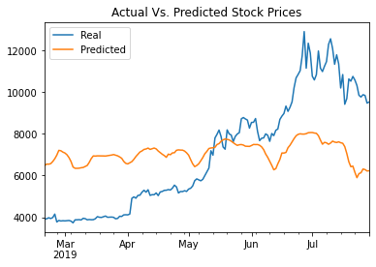
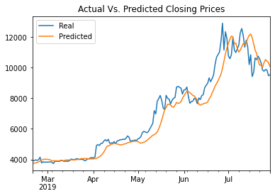

 |  |  |  |  |  | window = 10 | window = 10

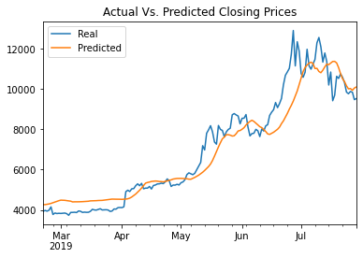

 |  |  |  |  |  | Changing number of units to see the effect on the model's performance

 |  |  |  |  |  |  | Windows = 10
 |  |  |  |  |  |  | number_units = 30



 |  |  |  |  |  |  | Windows = 10
 |  |  |  |  |  |  | number_units = 50

